Sv e Sa
WordNet - wup |  | N1 |  |  |  | WordNet - wup |  | A1
 |  | Cat | Family | Food | Father |  |  | like | have | feed | acquire
N2 | Truck | 0.3704 | 0.2 | 0.3333 | 0.3846 | A2 | have | 0.4 | 1 | 0.2857 | 0.5
 | Wheel | 0.3704 | 0.2 | 0.3333 | 0.3846 |  | have | 0.4 | 1 | 0.2857 | 0.5
 | Price | 0.1739 | 0.375 | 0.2857 | 0.2105 |  | have | 0.4 | 1 | 0.2857 | 0.5
 | Fuel | 0.2857 | 0.2857 | 0.8333 | 0.3529 |  | need | 0.4 | 0.5 | 0.2857 | 0.5

CAT
like
Family
Truck
have
wheel

acquire
have
need
have
Father
Food
fuel
price

feed
have

E linha e N linha
Nós |  | N1 |  |  |  | Arestas |  | A1
 |  | Cat | Family | Father | Food |  |  | Cat, Family | Family, Food | Food,Father | Father, Cat
N2 | Truck | 1 | 1 | 1 | 1 | A2 | Truck,wheel | 1 | 1 | 1 | 1
 | Wheel | 1 | 1 | 1 | 1 |  | Wheel, Price | 1 | 1 | 1 | 1
 | Price | 1 | 1 | 1 | 1 |  | Price, Fuel | 1 | 1 | 1 | 1
 | Fuel | 1 | 1 | 1 | 1 |  | Fuel, Truck | 1 | 1 | 1 | 1

CAT
like
Family
have
Truck
wheel

acquire
have
need
have
Father
Food
fuel
price

feed
have

Fv
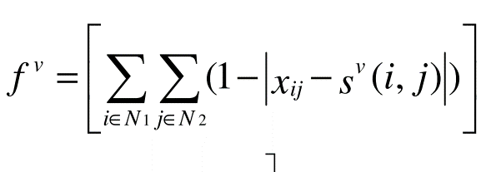
Nós |  | N1
 |  | Cat | Family | Father | Food | |Xij-Sv(i,j)| |  |  |  | Soma
N2 | Truck | 1 | 1 | 1 | 1 | 0.3704 | 0.2 | 0.3333 | 0.3846 | 1.2883
 | Wheel | 1 | 1 | 1 | 1 | 0.3704 | 0.2 | 0.3333 | 0.3846 | 1.2883
 | Price | 1 | 1 | 1 | 1 | 0.1739 | 0.375 | 0.2857 | 0.2105 | 1.0451
 | Fuel | 1 | 1 | 1 | 1 | 0.2857 | 0.2857 | 0.8333 | 0.3529 | 1.7576
 |  |  |  |  |  |  |  |  | Total | 5.3793 | Fv

WordNet - wup |  | N1
 |  | Cat | Family | Food | Father
N2 | Truck | 0.3704 | 0.2 | 0.3333 | 0.3846
 | Wheel | 0.3704 | 0.2 | 0.3333 | 0.3846
 | Price | 0.1739 | 0.375 | 0.2857 | 0.2105
 | Fuel | 0.2857 | 0.2857 | 0.8333 | 0.3529

